Alarm CSV
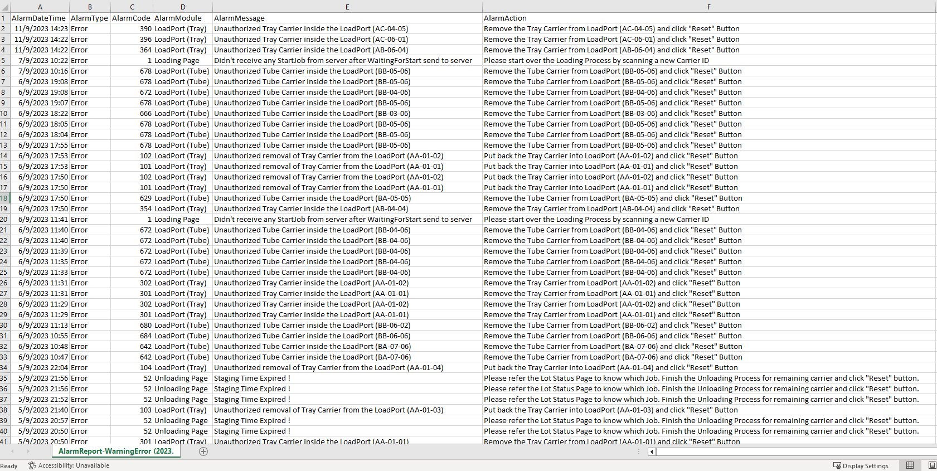
Alarm Message Page (History) | Alarm CSV File Name
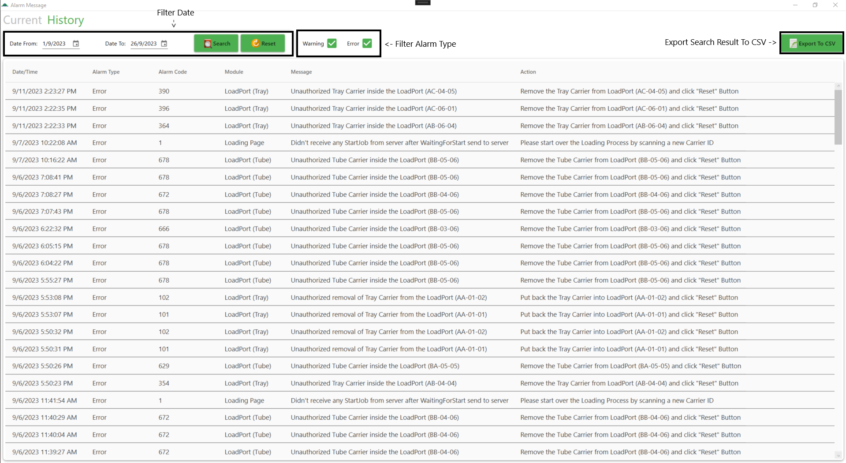

 | Alarm CSV File

Lot CSV
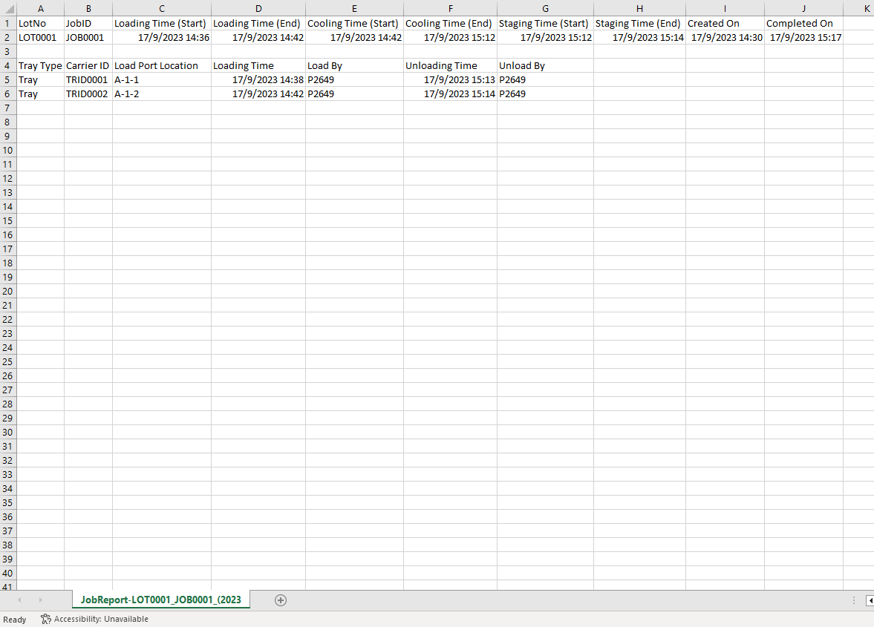
Lot Status Page (History) | Lot CSV File Name
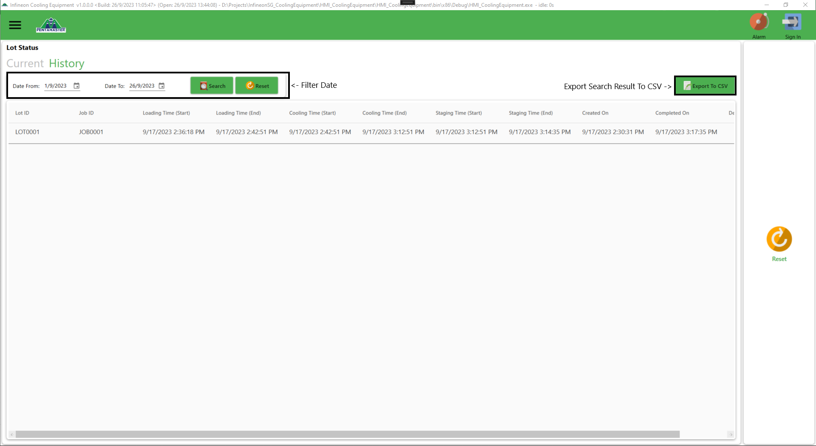

 | Lot CSV File

